Report
Required Report | All data are the average across 50 trials |  |  |  |  |  | Optional | GUI Screen

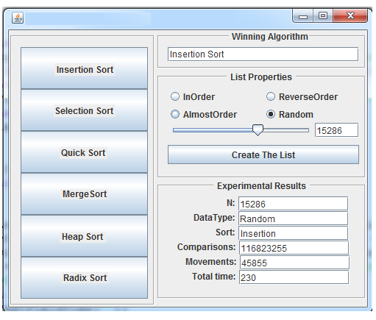
Experimental Results | ArraySize: 10000
List Property: InOrder | Comparisons | Movements | Total Time (ns) | Time % diff b/t winning and other sorts | Comparisons + Movements | Time complexity
Insertion Sort | 9,999 | 9,999 | 4,987,600 | 0.0% | 19,998 | O(N)
Selection Sort | 50,004,999 | 0 | 696,634,400 | 197.2% | 50,004,999 | O(N^2)
Quick Sort | 50,034,994 | 0 | 953,133,100 | 197.9% | 50,034,994 | O(N^2)
Merge Sort | 64,608 | 133,616 | 20,993,700 | 123.2% | 198,224 | O(nlogn)
Heap Sort | 320,895 | 217,263 | 142,028,500 | 186.4% | 538,158 | O(nlogn)
Radix Sort | 0 | 50,000 | 29,814,300 | 142.7% | 50,000 | O(N)

Experimental Results | ArraySize: 10000
List Property: ReverseOrder | Comparisons | Movements | Total Time (ns) | Time % diff b/t winning and other sorts | Comparisons + Movements | Time complexity
Insertion Sort | 49,995,000 | 50,004,999 | 1,349,248,900 | 192.8% | 99,999,999 | O(N^2)
Selection Sort | 50,004,999 | 5,000 | 1,569,920,100 | 193.8% | 50,009,999 | O(N^2)
Quick Sort | 50,039,992 | 5,000 | 923,684,600 | 189.6% | 50,044,992 | O(N^2)
Merge Sort | 69,008 | 133,616 | 24,657,000 | 0.0% | 202,624 | O(nlogn)
Heap Sort | 320,895 | 217,263 | 101,673,000 | 121.9% | 538,158 | O(nlogn)
Radix Sort | 0 | 50,000 | 26,356,500 | 6.7% | 50,000 | O(N)

Experimental Results | ArraySize: 10000, Sorted 80%
List Property: AlmostOrder | Comparisons | Movements | Total Time (ns) | Time % diff b/t winning and other sorts | Comparisons + Movements | Time complexity
Insertion Sort | 6,311,591 | 6,321,574 | 172,217,100 | 155.6% | 12,633,165 | O(N^2)
Selection Sort | 50,004,999 | 1,991 | 829,811,900 | 189.9% | 50,006,990 | O(N^2)
Quick Sort | 512,418 | 512,418 | 25,869,700 | 18.4% | 1,024,836 | O(nlogn)?
Merge Sort | 113,007 | 133,616 | 36,809,200 | 52.5% | 246,623 | O(nlogn)
Heap Sort | 320,895 | 217,263 | 127,075,500 | 142.1% | 538,158 | O(nlogn)
Radix Sort | 0 | 40,000 | 21,503,300 | 0.0% | 40,000 | O(N)

Experimental Results | ArraySize: 10000
List Property: RandomOrder | Comparisons | Movements | Total Time (ns) | Time % diff b/t winning and other sorts | Comparisons + Movements | Time complexity
Insertion Sort | 24,962,576 | 24,972,567 | 667,157,600 | 187.6% | 49,935,143 | O(N^2)
Selection Sort | 50,004,999 | 9,989 | 864,291,200 | 190.4% | 50,014,988 | O(N^2)
Quick Sort | 36,481 | 282,425 | 38,736,400 | 58.3% | 318,906 | O(nlogn)
Merge Sort | 120,438 | 133,616 | 52,034,600 | 84.0% | 254,054 | O(nlogn)
Heap Sort | 320,895 | 217,263 | 127,428,900 | 142.8% | 538,158 | O(nlogn)
Radix Sort | 0 | 40,000 | 21,258,100 | 0.0% | 40,000 | O(N)

